Bug1
Bug Name: | The search by Swimming pool fitness equipment do not show related products
Bug ID: | 1 | Swimming pool fitness equipment
Area Path: | Garden and outdoor>Swimming pools >Swimming pool toys>Swimming pool fitness equipment
Build Number: | 357
Severity: | Medium
Priority: | To define
Reported By: | Elián Bertona
Reported On: | 2021-04-24
Reason: | Defect
Status: | New
Environment: | Microsoft Windows 10 Pro
Asigned to: | Developer X
Description: | Serching by specfic category "Swimming pool fitness equipment" the result do not show related products.

Steps To Reproduce: | 1- Launch the web site www.manomano.co.uk
 | 2 - Type "Swimming pool fitness equipment" in search bar
 | 3 - Press enter
 | 4 - Check the result

Expected Result: | The products should be related to Swimming pool and fitness.

Actual Result: | Related to: HOMCOM 2 in 1 Collapsible 2-Seater Kids Stroller and Bike Trailer and similar (See attachment bellow)

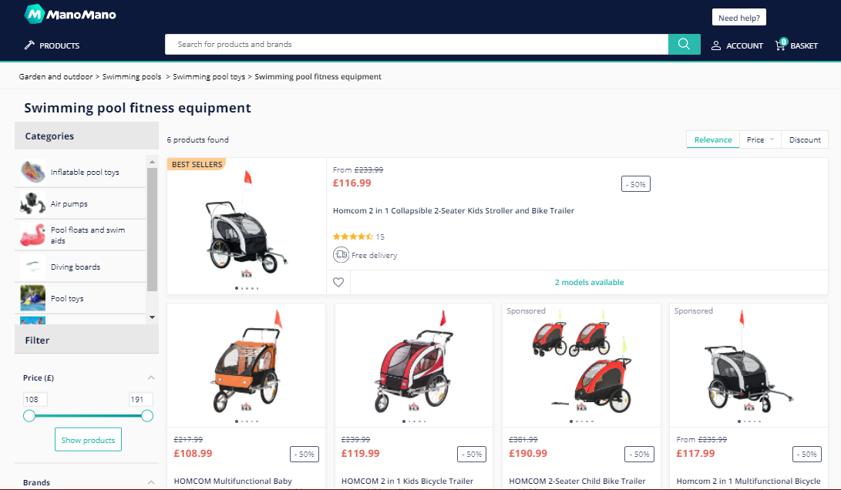
Evidency:

Bug2
Bug Name: | Products in category Table do no have pictures
Bug ID: | 2
Area Path: | Products list > Table
Build Number: | 357
Severity: | Medium
Priority: | To define
Reported By: | Elián Bertona
Reported On: | 2021-04-24
Reason: | Defect
Status: | New
Environment: | Microsoft Windows 10 Pro
Asigned to: | Developer X
Description: | Serching by product type "Table" the last results from the list do not have pictures. Items position 59, 58, 57, 56, 55 ,54, 53,52.

Steps To Reproduce: | 1- Launch the web site www.manomano.co.uk
 | 2 - Type "Table" in search bar
 | 3 - Press enter
 | 4 - Scroll down to the bottom
 | 5 - Check the result for Items position 59, 58, 57, 56, 55 ,54, 53,52.
Expected Result: | All the products should have pictures

Actual Result: | The product do not have pictures (See attachment)

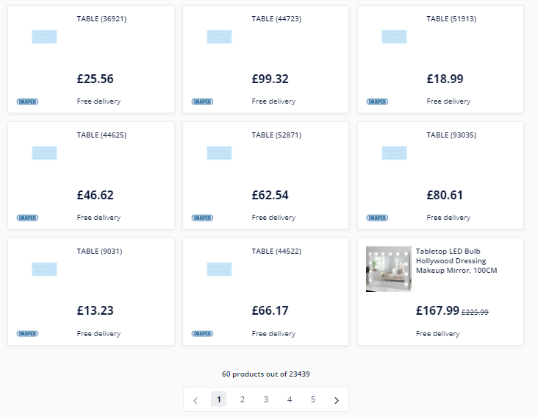
Evidency:

Bug3
Bug Name: | Internal Server Error when the searching is doing without text after search one time
Bug ID: | 3
Area Path: | Products list > Search bar
Build Number: | 357
Severity: | Hight
Priority: | To define
Reported By: | Elián Bertona
Reported On: | 2021-04-24
Reason: | Defect
Status: | New
Environment: | Microsoft Windows 10 Pro
Asigned to: | Developer X
Description: | Serching without text after having made a search the website show a Internal Server Error.

Steps To Reproduce: | 1- Launch the web site www.manomano.co.uk
 | 2 - Type "Table" in search bar
 | 3 - Press enter
 | 4 - Delete the text in Search bar
 | 5 - Press enter
 | 6 - Check website and console
Expected Result: | The website should show "No products found" or "Insert text to search"

Actual Result: | The website show an error (See attachment) and the fileLog

Evidency:


 | Console logs
 | instrument.js:109 Error: getPageInfo should only used on listing page
 | at u (route.ts:82)
 | at PaginationItem.tsx:29
 | at h (PaginationItem.tsx:47)
 | at ro (react-dom.production.min.js:157)
 | at Qu (react-dom.production.min.js:267)
 | at Pi (react-dom.production.min.js:250)
 | at Ci (react-dom.production.min.js:250)
 | at xi (react-dom.production.min.js:250)
 | at vi (react-dom.production.min.js:243)
 | at react-dom.production.min.js:123
 | at n.unstable_runWithPriority (scheduler.production.min.js:18)
 | at jl (react-dom.production.min.js:122)
 | at $l (react-dom.production.min.js:123)
 | at Ql (react-dom.production.min.js:122)
 | at Di (react-dom.production.min.js:263)
 | at n.unstable_runWithPriority (scheduler.production.min.js:18)
 | at jl (react-dom.production.min.js:122)
 | at Oi (react-dom.production.min.js:261)
 | at react-dom.production.min.js:261
 | at I (scheduler.production.min.js:16)
 | at MessagePort.w.port1.onmessage (scheduler.production.min.js:12)
 | (anonymous) @ instrument.js:109
 | instrument.js:109 Error: getPageInfo should only used on listing page
 | at u (route.ts:82)
 | at PaginationItem.tsx:29
 | at h (PaginationItem.tsx:47)
 | at ro (react-dom.production.min.js:157)
 | at Qu (react-dom.production.min.js:267)
 | at Pi (react-dom.production.min.js:250)
 | at Ci (react-dom.production.min.js:250)
 | at xi (react-dom.production.min.js:250)
 | at vi (react-dom.production.min.js:243)
 | at react-dom.production.min.js:123
 | at n.unstable_runWithPriority (scheduler.production.min.js:18)
 | at jl (react-dom.production.min.js:122)
 | at $l (react-dom.production.min.js:123)
 | at Ql (react-dom.production.min.js:122)
 | at Di (react-dom.production.min.js:263)
 | at n.unstable_runWithPriority (scheduler.production.min.js:18)
 | at jl (react-dom.production.min.js:122)
 | at Oi (react-dom.production.min.js:261)
 | at react-dom.production.min.js:261
 | at I (scheduler.production.min.js:16)
 | at MessagePort.w.port1.onmessage (scheduler.production.min.js:12)
 | (anonymous) @ instrument.js:109
 | instrument.js:109 Error: getPageInfo should only used on listing page
 | at u (route.ts:82)
 | at PaginationItem.tsx:29
 | at h (PaginationItem.tsx:47)
 | at ro (react-dom.production.min.js:157)
 | at Qu (react-dom.production.min.js:267)
 | at Pi (react-dom.production.min.js:250)
 | at Ci (react-dom.production.min.js:250)
 | at xi (react-dom.production.min.js:250)
 | at vi (react-dom.production.min.js:243)
 | at react-dom.production.min.js:123
 | at n.unstable_runWithPriority (scheduler.production.min.js:18)
 | at jl (react-dom.production.min.js:122)
 | at $l (react-dom.production.min.js:123)
 | at Ql (react-dom.production.min.js:122)
 | at Di (react-dom.production.min.js:263)
 | at n.unstable_runWithPriority (scheduler.production.min.js:18)
 | at jl (react-dom.production.min.js:122)
 | at Oi (react-dom.production.min.js:261)
 | at react-dom.production.min.js:261
 | at I (scheduler.production.min.js:16)
 | at MessagePort.w.port1.onmessage (scheduler.production.min.js:12)
 | (anonymous) @ instrument.js:109
 | instrument.js:109 Error: getPageInfo should only used on listing page
 | at u (route.ts:82)
 | at PaginationItem.tsx:29
 | at h (PaginationItem.tsx:47)
 | at ro (react-dom.production.min.js:157)
 | at Qu (react-dom.production.min.js:267)
 | at Pi (react-dom.production.min.js:250)
 | at Ci (react-dom.production.min.js:250)
 | at xi (react-dom.production.min.js:250)
 | at vi (react-dom.production.min.js:243)
 | at react-dom.production.min.js:123
 | at n.unstable_runWithPriority (scheduler.production.min.js:18)
 | at jl (react-dom.production.min.js:122)
 | at $l (react-dom.production.min.js:123)
 | at Ql (react-dom.production.min.js:122)
 | at Di (react-dom.production.min.js:263)
 | at n.unstable_runWithPriority (scheduler.production.min.js:18)
 | at jl (react-dom.production.min.js:122)
 | at Oi (react-dom.production.min.js:261)
 | at react-dom.production.min.js:261
 | at I (scheduler.production.min.js:16)
 | at MessagePort.w.port1.onmessage (scheduler.production.min.js:12)
 | (anonymous) @ instrument.js:109
 | instrument.js:109 Error: getPageInfo should only used on listing page
 | at u (route.ts:82)
 | at PaginationItem.tsx:29
 | at h (PaginationItem.tsx:47)
 | at ro (react-dom.production.min.js:157)
 | at Qu (react-dom.production.min.js:267)
 | at Pi (react-dom.production.min.js:250)
 | at Ci (react-dom.production.min.js:250)
 | at xi (react-dom.production.min.js:250)
 | at vi (react-dom.production.min.js:243)
 | at react-dom.production.min.js:123
 | at n.unstable_runWithPriority (scheduler.production.min.js:18)
 | at jl (react-dom.production.min.js:122)
 | at $l (react-dom.production.min.js:123)
 | at Ql (react-dom.production.min.js:122)
 | at Di (react-dom.production.min.js:263)
 | at n.unstable_runWithPriority (scheduler.production.min.js:18)
 | at jl (react-dom.production.min.js:122)
 | at Oi (react-dom.production.min.js:261)
 | at react-dom.production.min.js:261
 | at I (scheduler.production.min.js:16)
 | at MessagePort.w.port1.onmessage (scheduler.production.min.js:12)
 | (anonymous) @ instrument.js:109
 | instrument.js:109 Error: getPageInfo should only used on listing page
 | at u (route.ts:82)
 | at PaginationItem.tsx:29
 | at h (PaginationItem.tsx:47)
 | at ro (react-dom.production.min.js:157)
 | at Qu (react-dom.production.min.js:267)
 | at Pi (react-dom.production.min.js:250)
 | at Ci (react-dom.production.min.js:250)
 | at xi (react-dom.production.min.js:250)
 | at vi (react-dom.production.min.js:243)
 | at react-dom.production.min.js:123
 | at n.unstable_runWithPriority (scheduler.production.min.js:18)
 | at jl (react-dom.production.min.js:122)
 | at $l (react-dom.production.min.js:123)
 | at Ql (react-dom.production.min.js:122)
 | at Di (react-dom.production.min.js:263)
 | at n.unstable_runWithPriority (scheduler.production.min.js:18)
 | at jl (react-dom.production.min.js:122)
 | at Oi (react-dom.production.min.js:261)
 | at react-dom.production.min.js:261
 | at I (scheduler.production.min.js:16)
 | at MessagePort.w.port1.onmessage (scheduler.production.min.js:12)
 | (anonymous) @ instrument.js:109
 | instrument.js:109 Error: getPageInfo should only used on listing page
 | at u (route.ts:82)
 | at PaginationItem.tsx:29
 | at h (PaginationItem.tsx:47)
 | at ro (react-dom.production.min.js:157)
 | at Qu (react-dom.production.min.js:267)
 | at Pi (react-dom.production.min.js:250)
 | at Ci (react-dom.production.min.js:250)
 | at xi (react-dom.production.min.js:250)
 | at vi (react-dom.production.min.js:243)
 | at react-dom.production.min.js:123
 | at n.unstable_runWithPriority (scheduler.production.min.js:18)
 | at jl (react-dom.production.min.js:122)
 | at $l (react-dom.production.min.js:123)
 | at Ql (react-dom.production.min.js:122)
 | at Di (react-dom.production.min.js:263)
 | at n.unstable_runWithPriority (scheduler.production.min.js:18)
 | at jl (react-dom.production.min.js:122)
 | at Oi (react-dom.production.min.js:261)
 | at react-dom.production.min.js:261
 | at I (scheduler.production.min.js:16)
 | at MessagePort.w.port1.onmessage (scheduler.production.min.js:12)
 | (anonymous) @ instrument.js:109
 | instrument.js:109 Error: getPageInfo should only used on listing page
 | at u (route.ts:82)
 | at PaginationItem.tsx:29
 | at h (PaginationItem.tsx:47)
 | at ro (react-dom.production.min.js:157)
 | at Qu (react-dom.production.min.js:267)
 | at Pi (react-dom.production.min.js:250)
 | at Ci (react-dom.production.min.js:250)
 | at xi (react-dom.production.min.js:250)
 | at vi (react-dom.production.min.js:243)
 | at react-dom.production.min.js:123
 | at n.unstable_runWithPriority (scheduler.production.min.js:18)
 | at jl (react-dom.production.min.js:122)
 | at $l (react-dom.production.min.js:123)
 | at Ql (react-dom.production.min.js:122)
 | at Di (react-dom.production.min.js:263)
 | at n.unstable_runWithPriority (scheduler.production.min.js:18)
 | at jl (react-dom.production.min.js:122)
 | at Oi (react-dom.production.min.js:261)
 | at react-dom.production.min.js:261
 | at I (scheduler.production.min.js:16)
 | at MessagePort.w.port1.onmessage (scheduler.production.min.js:12)
 | (anonymous) @ instrument.js:109
 | instrument.js:109 Error: getPageInfo should only used on listing page
 | at u (route.ts:82)
 | at PaginationItem.tsx:29
 | at h (PaginationItem.tsx:47)
 | at ro (react-dom.production.min.js:157)
 | at Qu (react-dom.production.min.js:267)
 | at Pi (react-dom.production.min.js:250)
 | at Ci (react-dom.production.min.js:250)
 | at xi (react-dom.production.min.js:250)
 | at vi (react-dom.production.min.js:243)
 | at react-dom.production.min.js:123
 | at n.unstable_runWithPriority (scheduler.production.min.js:18)
 | at jl (react-dom.production.min.js:122)
 | at $l (react-dom.production.min.js:123)
 | at Ql (react-dom.production.min.js:122)
 | at Di (react-dom.production.min.js:263)
 | at n.unstable_runWithPriority (scheduler.production.min.js:18)
 | at jl (react-dom.production.min.js:122)
 | at Oi (react-dom.production.min.js:261)
 | at react-dom.production.min.js:261
 | at I (scheduler.production.min.js:16)
 | at MessagePort.w.port1.onmessage (scheduler.production.min.js:12)
 | (anonymous) @ instrument.js:109
 | instrument.js:109 Error: getPageInfo should only used on listing page
 | at u (route.ts:82)
 | at PaginationItem.tsx:29
 | at h (PaginationItem.tsx:47)
 | at ro (react-dom.production.min.js:157)
 | at Qu (react-dom.production.min.js:267)
 | at Pi (react-dom.production.min.js:250)
 | at Ci (react-dom.production.min.js:250)
 | at xi (react-dom.production.min.js:250)
 | at vi (react-dom.production.min.js:243)
 | at react-dom.production.min.js:123
 | at n.unstable_runWithPriority (scheduler.production.min.js:18)
 | at jl (react-dom.production.min.js:122)
 | at $l (react-dom.production.min.js:123)
 | at Ql (react-dom.production.min.js:122)
 | at Di (react-dom.production.min.js:263)
 | at n.unstable_runWithPriority (scheduler.production.min.js:18)
 | at jl (react-dom.production.min.js:122)
 | at Oi (react-dom.production.min.js:261)
 | at react-dom.production.min.js:261
 | at I (scheduler.production.min.js:16)
 | at MessagePort.w.port1.onmessage (scheduler.production.min.js:12)
 | (anonymous) @ instrument.js:109
 | instrument.js:109 Error: getPageInfo should only used on listing page
 | at u (route.ts:82)
 | at PaginationItem.tsx:29
 | at h (PaginationItem.tsx:47)
 | at ro (react-dom.production.min.js:157)
 | at Qu (react-dom.production.min.js:267)
 | at Pi (react-dom.production.min.js:250)
 | at Ci (react-dom.production.min.js:250)
 | at xi (react-dom.production.min.js:250)
 | at vi (react-dom.production.min.js:243)
 | at react-dom.production.min.js:123
 | at n.unstable_runWithPriority (scheduler.production.min.js:18)
 | at jl (react-dom.production.min.js:122)
 | at $l (react-dom.production.min.js:123)
 | at Ql (react-dom.production.min.js:122)
 | at Di (react-dom.production.min.js:263)
 | at n.unstable_runWithPriority (scheduler.production.min.js:18)
 | at jl (react-dom.production.min.js:122)
 | at Oi (react-dom.production.min.js:261)
 | at react-dom.production.min.js:261
 | at I (scheduler.production.min.js:16)
 | at MessagePort.w.port1.onmessage (scheduler.production.min.js:12)
 | (anonymous) @ instrument.js:109
 | instrument.js:109 Error: getPageInfo should only used on listing page
 | at u (route.ts:82)
 | at PaginationItem.tsx:29
 | at h (PaginationItem.tsx:47)
 | at ro (react-dom.production.min.js:157)
 | at Qu (react-dom.production.min.js:267)
 | at Pi (react-dom.production.min.js:250)
 | at Ci (react-dom.production.min.js:250)
 | at xi (react-dom.production.min.js:250)
 | at vi (react-dom.production.min.js:243)
 | at react-dom.production.min.js:123
 | at n.unstable_runWithPriority (scheduler.production.min.js:18)
 | at jl (react-dom.production.min.js:122)
 | at $l (react-dom.production.min.js:123)
 | at Ql (react-dom.production.min.js:122)
 | at Di (react-dom.production.min.js:263)
 | at n.unstable_runWithPriority (scheduler.production.min.js:18)
 | at jl (react-dom.production.min.js:122)
 | at Oi (react-dom.production.min.js:261)
 | at react-dom.production.min.js:261
 | at I (scheduler.production.min.js:16)
 | at MessagePort.w.port1.onmessage (scheduler.production.min.js:12)
 | (anonymous) @ instrument.js:109
 | instrument.js:109 Error: getPageInfo should only used on listing page
 | at u (route.ts:82)
 | at PaginationItem.tsx:29
 | at h (PaginationItem.tsx:47)
 | at ro (react-dom.production.min.js:157)
 | at Qu (react-dom.production.min.js:267)
 | at Pi (react-dom.production.min.js:250)
 | at Ci (react-dom.production.min.js:250)
 | at xi (react-dom.production.min.js:250)
 | at vi (react-dom.production.min.js:243)
 | at react-dom.production.min.js:123
 | at n.unstable_runWithPriority (scheduler.production.min.js:18)
 | at jl (react-dom.production.min.js:122)
 | at $l (react-dom.production.min.js:123)
 | at Ql (react-dom.production.min.js:122)
 | at Di (react-dom.production.min.js:263)
 | at n.unstable_runWithPriority (scheduler.production.min.js:18)
 | at jl (react-dom.production.min.js:122)
 | at Oi (react-dom.production.min.js:261)
 | at react-dom.production.min.js:261
 | at I (scheduler.production.min.js:16)
 | at MessagePort.w.port1.onmessage (scheduler.production.min.js:12)
 | (anonymous) @ instrument.js:109
 | instrument.js:109 Error: getPageInfo should only used on listing page
 | at u (route.ts:82)
 | at PaginationItem.tsx:29
 | at h (PaginationItem.tsx:47)
 | at ro (react-dom.production.min.js:157)
 | at Qu (react-dom.production.min.js:267)
 | at Pi (react-dom.production.min.js:250)
 | at Ci (react-dom.production.min.js:250)
 | at xi (react-dom.production.min.js:250)
 | at vi (react-dom.production.min.js:243)
 | at react-dom.production.min.js:123
 | at n.unstable_runWithPriority (scheduler.production.min.js:18)
 | at jl (react-dom.production.min.js:122)
 | at $l (react-dom.production.min.js:123)
 | at Ql (react-dom.production.min.js:122)
 | at Di (react-dom.production.min.js:263)
 | at n.unstable_runWithPriority (scheduler.production.min.js:18)
 | at jl (react-dom.production.min.js:122)
 | at Oi (react-dom.production.min.js:261)
 | at react-dom.production.min.js:261
 | at I (scheduler.production.min.js:16)
 | at MessagePort.w.port1.onmessage (scheduler.production.min.js:12)
 | (anonymous) @ instrument.js:109

